Raw Data
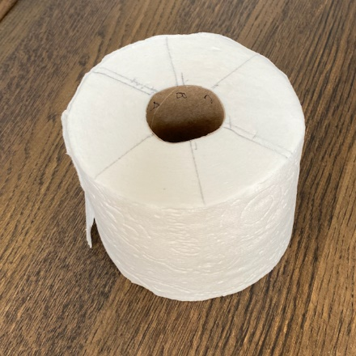
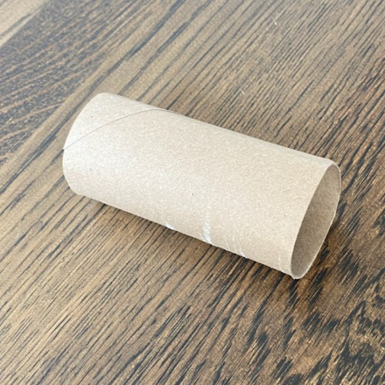
L_inc | L_cum_in | L_cum | D_1 | D_2 | D_3 | D_avg
 | 0 | 0 | 45 | 41.5 | 43 | 43.2
27.5 | 27.5 | 699 | 50 | 47 | 49 | 48.7 |  |  |  | From Data fit:
60.8 | 88.3 | 2242 | 55 | 55 | 56 | 55.3 |  |  | Caliper based on Slope of L versus D^2 is p/(4 * Caliper) | Caliper | 0.46917453011 | mm
60.0 | 148.3 | 3766 | 64 | 63 | 63 | 63.3 |  |  | Caliper based on Intcpt of L versus D^2 is (Dc^2) * p/(4 * Caliper) | Caliper | 0.63233022798 | mm
60.1 | 208.4 | 5293 | 70 | 69 | 69 | 69.3
60.1 | 268.5 | 6820 | 77.5 | 74.5 | 74.5 | 75.5 |  |  |  | Slope-based caliper | 0.47 | mm
60.1 | 328.6 | 8347 | 82 | 81 | 81 | 81.3
60.1 | 388.8 | 9874 | 88.5 | 87 | 85.5 | 87.0 |  |  |  | All samples (except 27.5 inch final) were n=15 "squares". Average length: | 102.2 | mm
60.3 | 449.0 | 11405 | 93 | 91.5 | 91 | 91.8
60.3 | 509.3 | 12935 | 99 | 97.5 | 97 | 97.8 |  | The slope-based caliper is more reliable since it depends on all data
60.3 | 569.5 | 14465 | 104 | 102 | 101 | 102.3
60.5 | 630.0 | 16002 | 108.5 | 107 | 105 | 106.8 | JMP Plots and Regression Fit
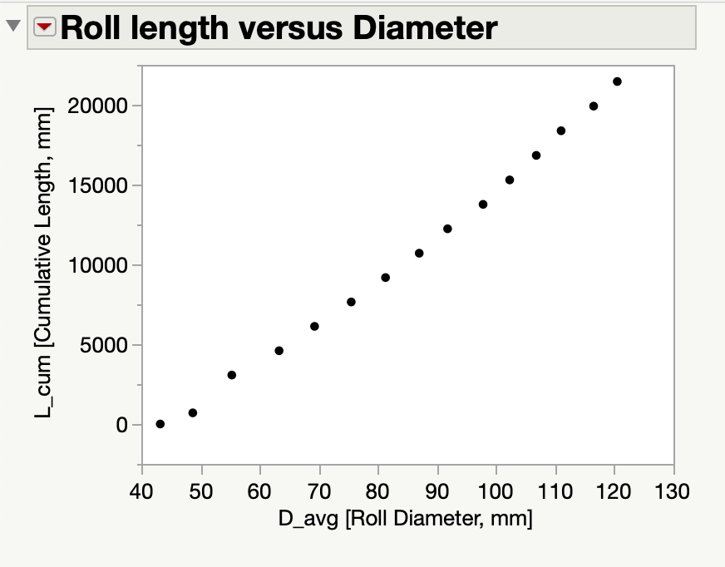
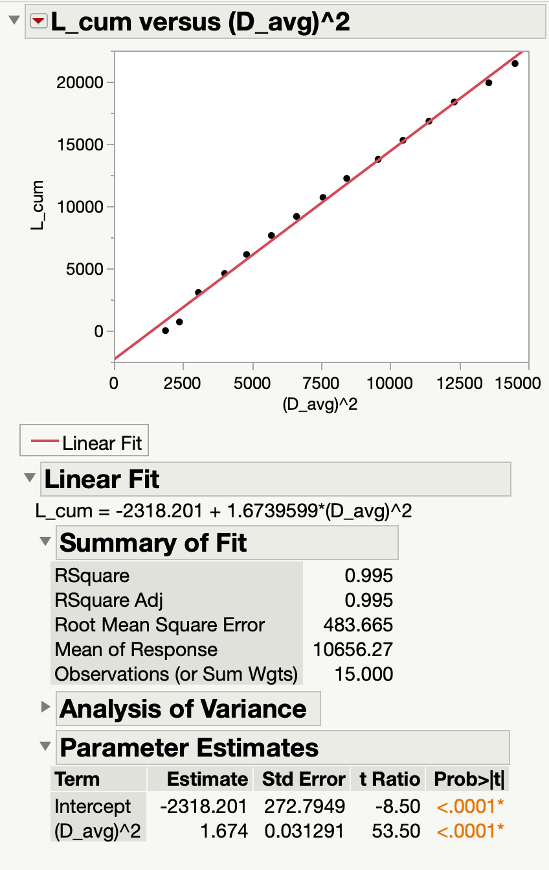
60.8 | 690.8 | 17545 | 113.5 | 110.5 | 109 | 111.0
60.8 | 751.5 | 19088 | 119 | 116 | 114.5 | 116.5
60.8 | 812.3 | 20631 | 123 | 120 | 118.5 | 120.5

 |  |  |  |  |  |  |  |  |  |  |  |  | Model assumes incompressible
 |  |  |  |  |  |  |  |  |  |  |  |  | material (e.g. Caliper is constant
 |  |  |  |  |  |  |  |  |  |  |  |  | throughout roll)

 |  |  |  |  |  |  |  |  |  |  |  |  |  | Two-Point test data example 4/27/23
 |  |  |  |  |  |  |  |  |  |  |  |  |  | length | diam | diam_m | diam_m^2
 |  |  |  |  |  |  |  |  |  |  |  |  |  | 20 | 120 | 0.12 | 0.0144
 |  |  |  |  |  |  |  |  |  |  |  |  |  | 0 | 40 | 0.04 | 0.0016

 |  |  |  |  |  |  |  |  |  |  |  |  |  |  | slope
 |  |  |  |  |  |  |  |  |  |  |  |  |  | p/4C | 16349 | 1/m | from JMP fit

 |  |  |  |  |  |  |  |  |  |  |  |  |  | caliper | pi/(4*slope)
 |  |  |  |  |  |  |  |  |  |  |  |  |  |  | 4.8039523114E-05
 |  |  |  |  |  |  |  |  |  |  |  |  |  |  | 0.048039523114 | mm

